Anova
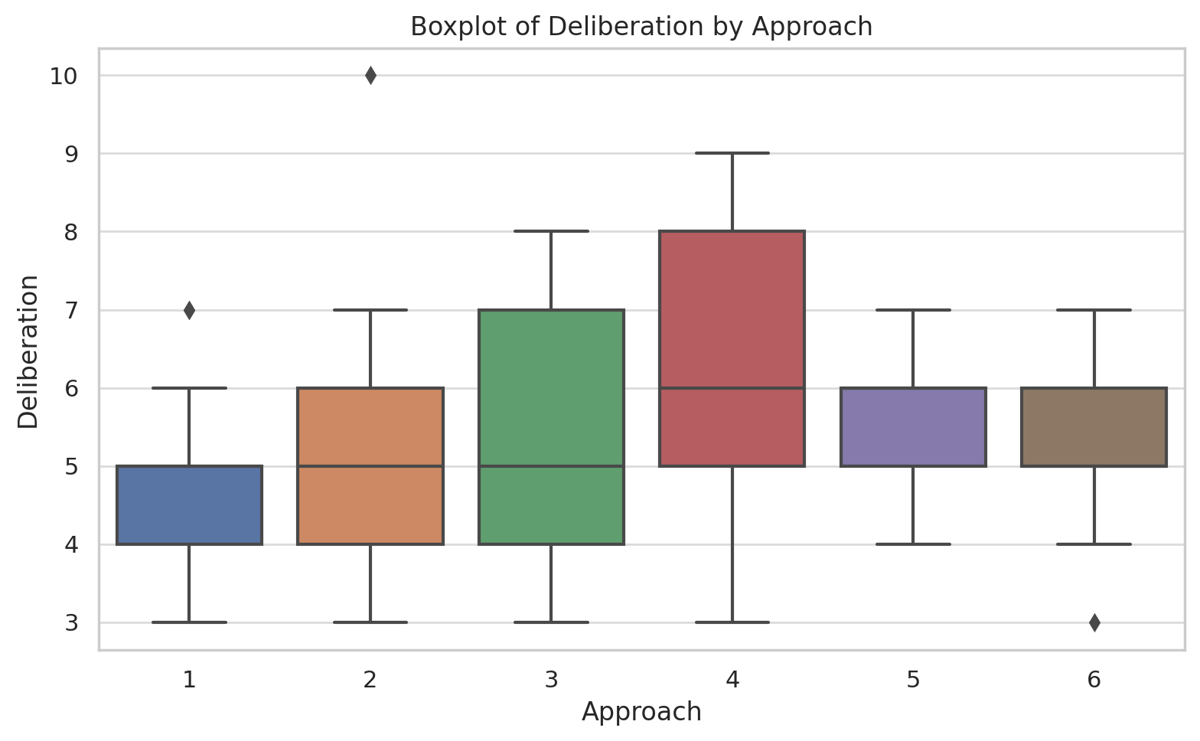
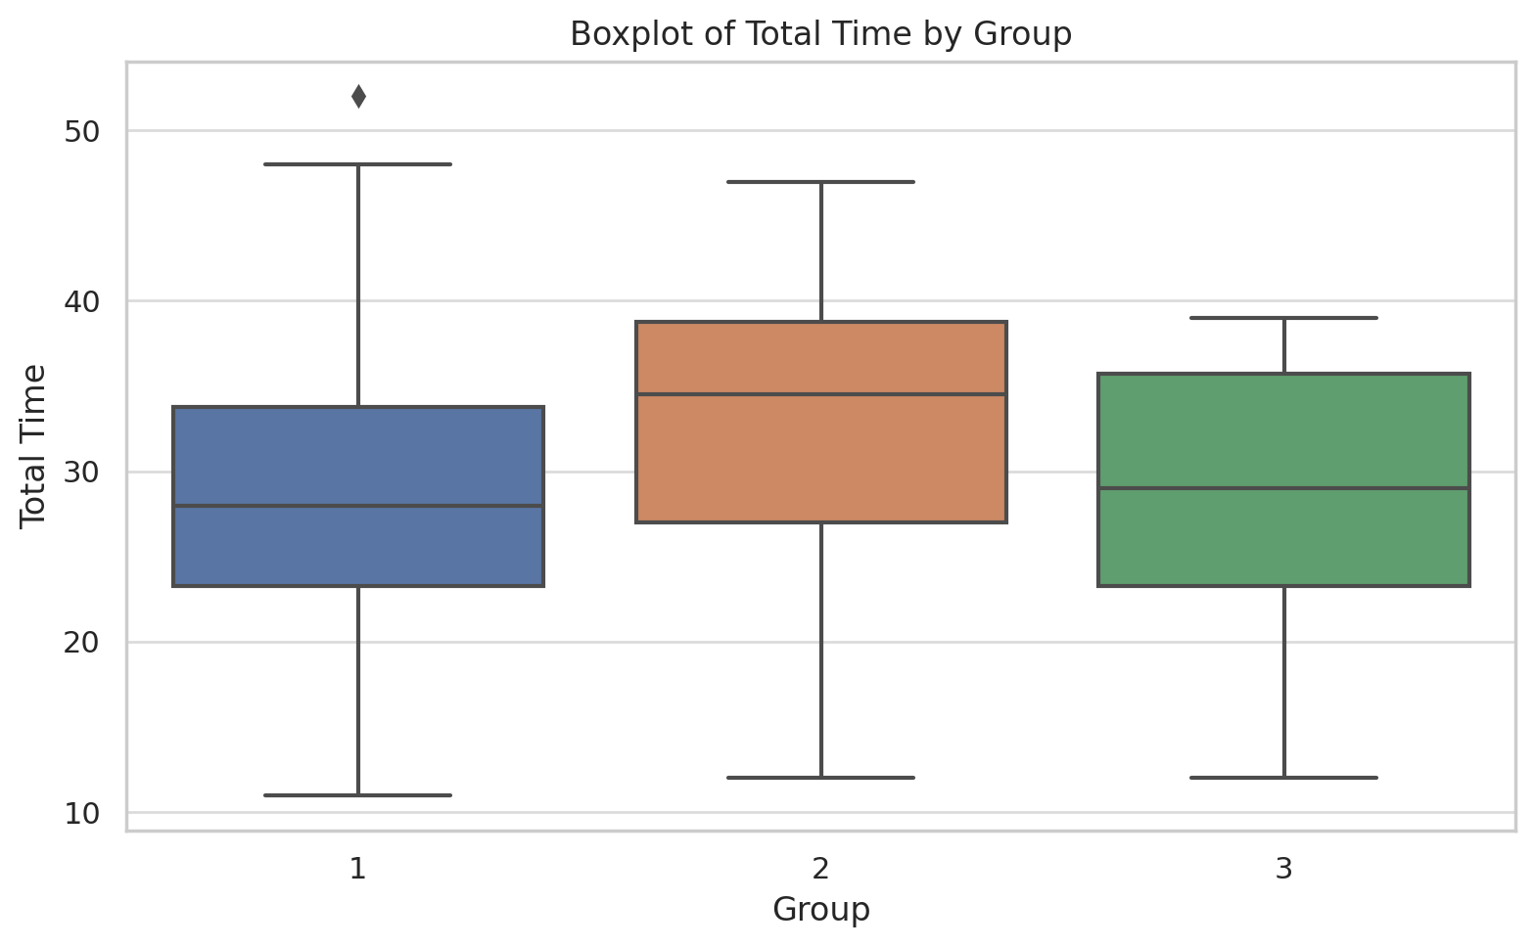
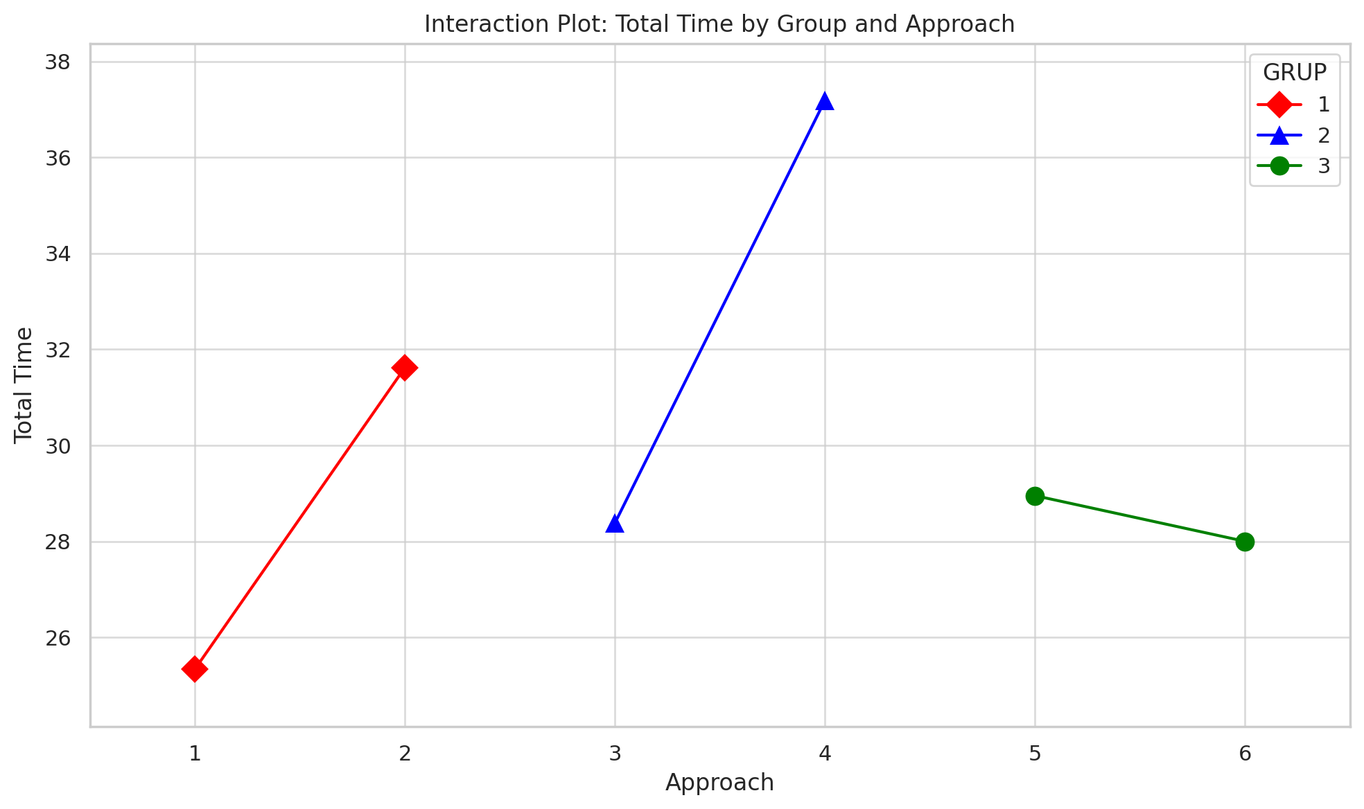
Anova for group differences (p<0.05)
Metric | p-value | Significant?
Total Time | 0.031 | ✅ Yes
Plan Writing | 0.665 | ❌ No
Deliberation | 0.204 | ❌ No
Debug | 0.073 | ❌ Borderline

Anova for approache differences (p<0.05)
Metric | p-value | Significant?
Total Time | 0.0001 | ✅ Yes
Plan Writing | 0.0024 | ✅ Yes
Deliberation | 0.037 | ✅ Yes
Debug | 0.271 | ❌ No

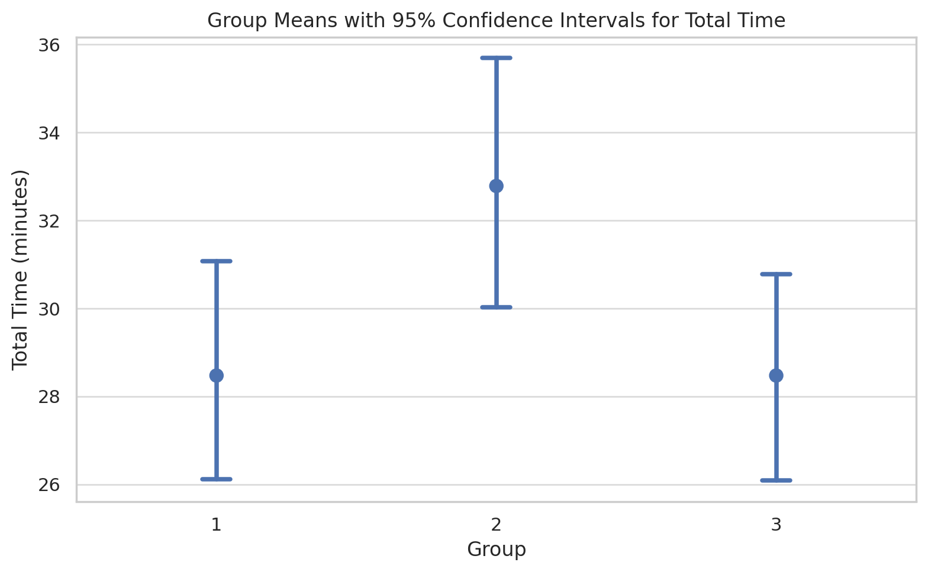

### Group - Total Time ###
Multiple Comparison of Means - Tukey HSD, FWER=0.05
===================================================
group1 group2 meandiff p-adj lower upper reject
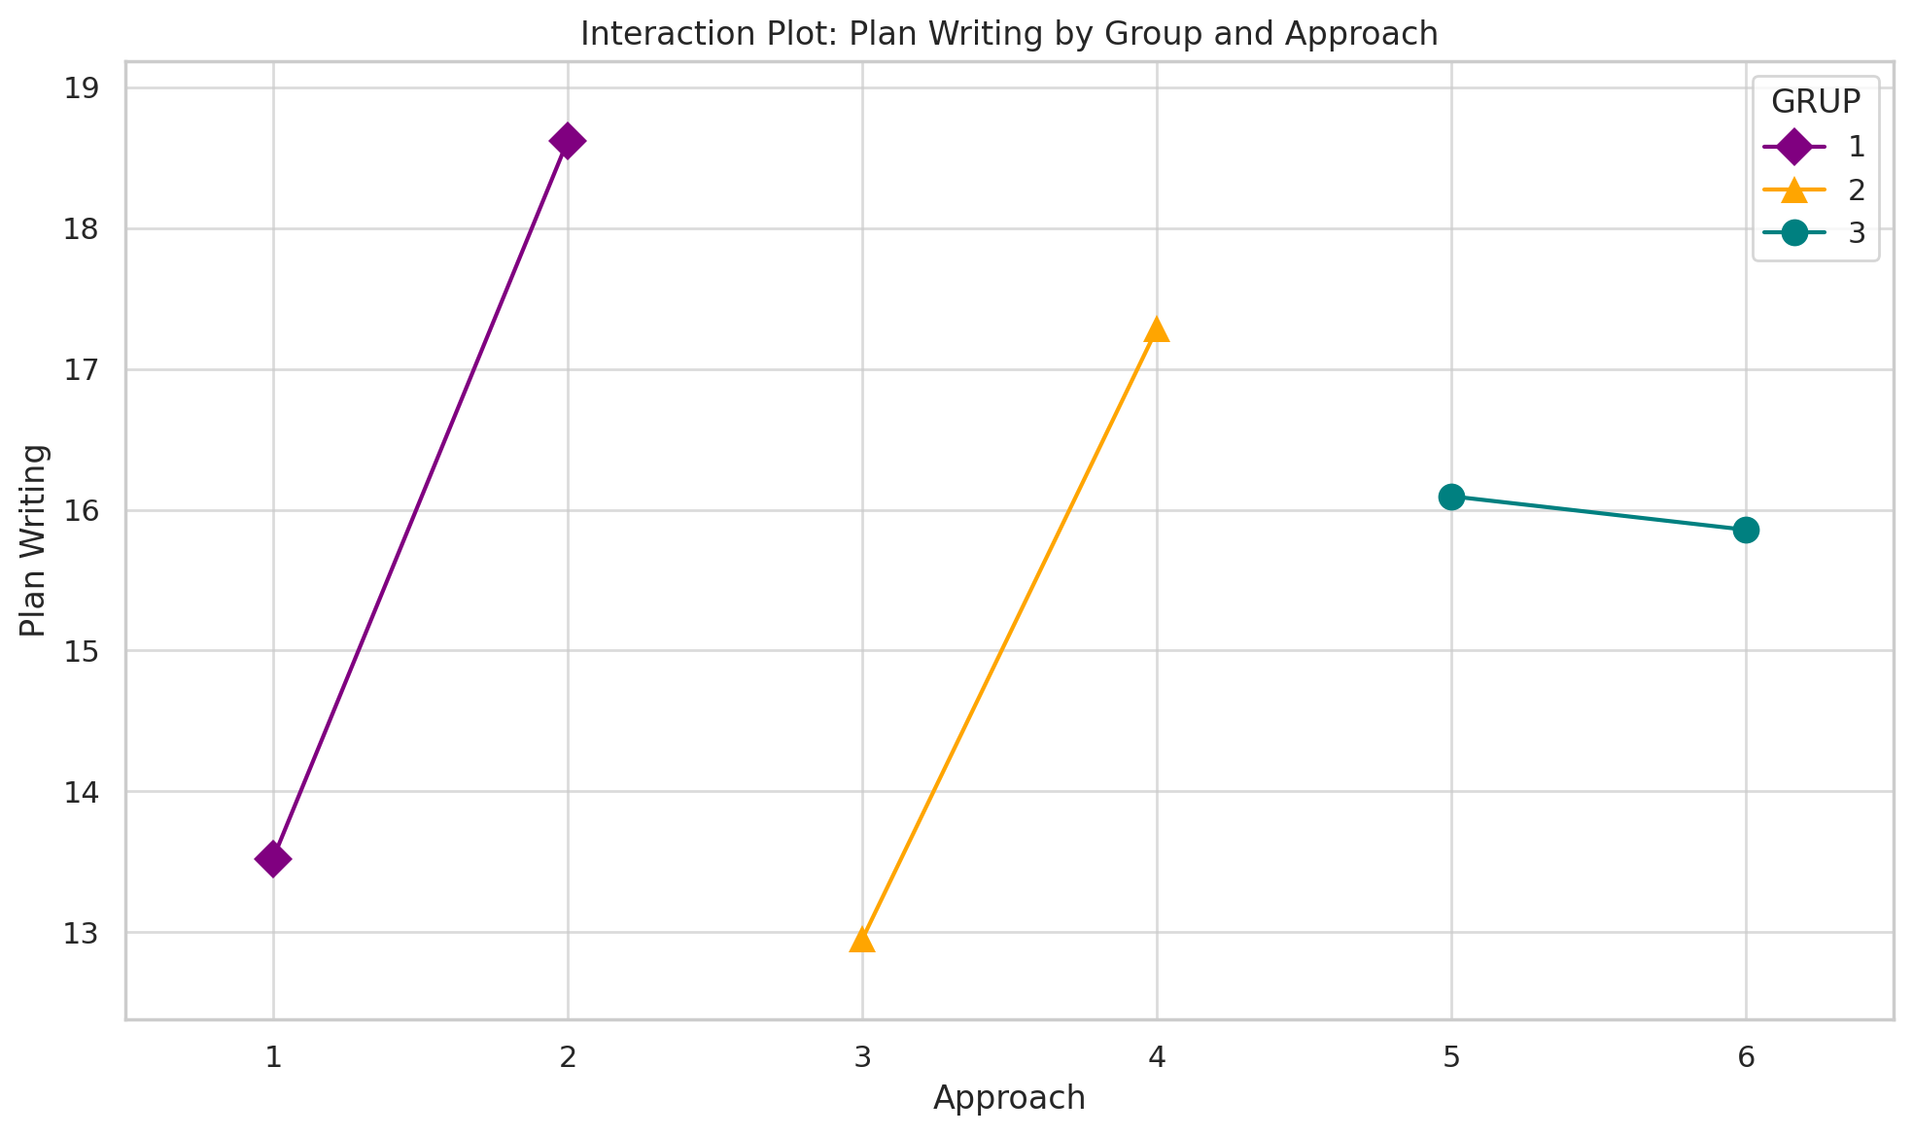
---------------------------------------------------
1 2 4.3095 0.0577 -0.111 8.7301 False
1 3 0.0 1.0 -4.4206 4.4206 False
2 3 -4.3095 0.0577 -8.7301 0.111 False
---------------------------------------------------

### Approach - Total Time ###
Multiple Comparison of Means - Tukey HSD, FWER=0.05
=====================================================
group1 group2 meandiff p-adj lower upper reject
-----------------------------------------------------
1 2 6.2857 0.1215 -0.8875 13.4589 False
1 3 3.0476 0.8211 -4.1256 10.2208 False
1 4 11.8571 0.0001 4.6839 19.0303 True
1 5 3.619 0.6894 -3.5542 10.7923 False
1 6 2.6667 0.8897 -4.5065 9.8399 False
2 3 -3.2381 0.7804 -10.4113 3.9351 False
2 4 5.5714 0.2233 -1.6018 12.7446 False
2 5 -2.6667 0.8897 -9.8399 4.5065 False
2 6 -3.619 0.6894 -10.7923 3.5542 False
3 4 8.8095 0.007 1.6363 15.9827 True
3 5 0.5714 0.9999 -6.6018 7.7446 False
3 6 -0.381 1.0 -7.5542 6.7923 False
4 5 -8.2381 0.0145 -15.4113 -1.0649 True
4 6 -9.1905 0.0042 -16.3637 -2.0173 True
5 6 -0.9524 0.9989 -8.1256 6.2208 False
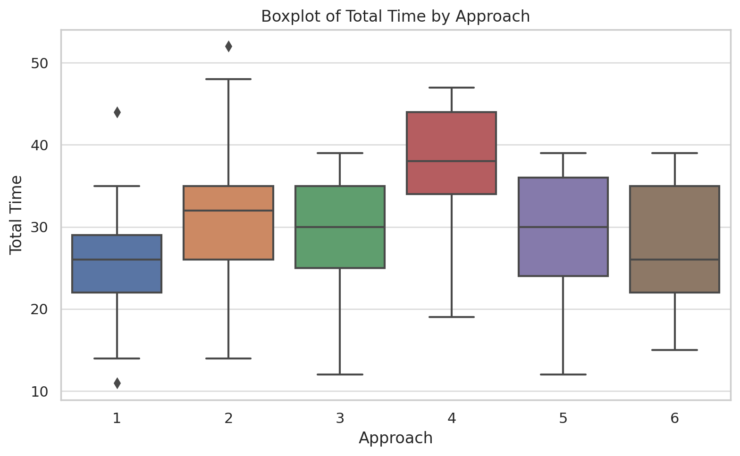
-----------------------------------------------------

### Approach - Plan Writing ###
Multiple Comparison of Means - Tukey HSD, FWER=0.05
=====================================================
group1 group2 meandiff p-adj lower upper reject
-----------------------------------------------------
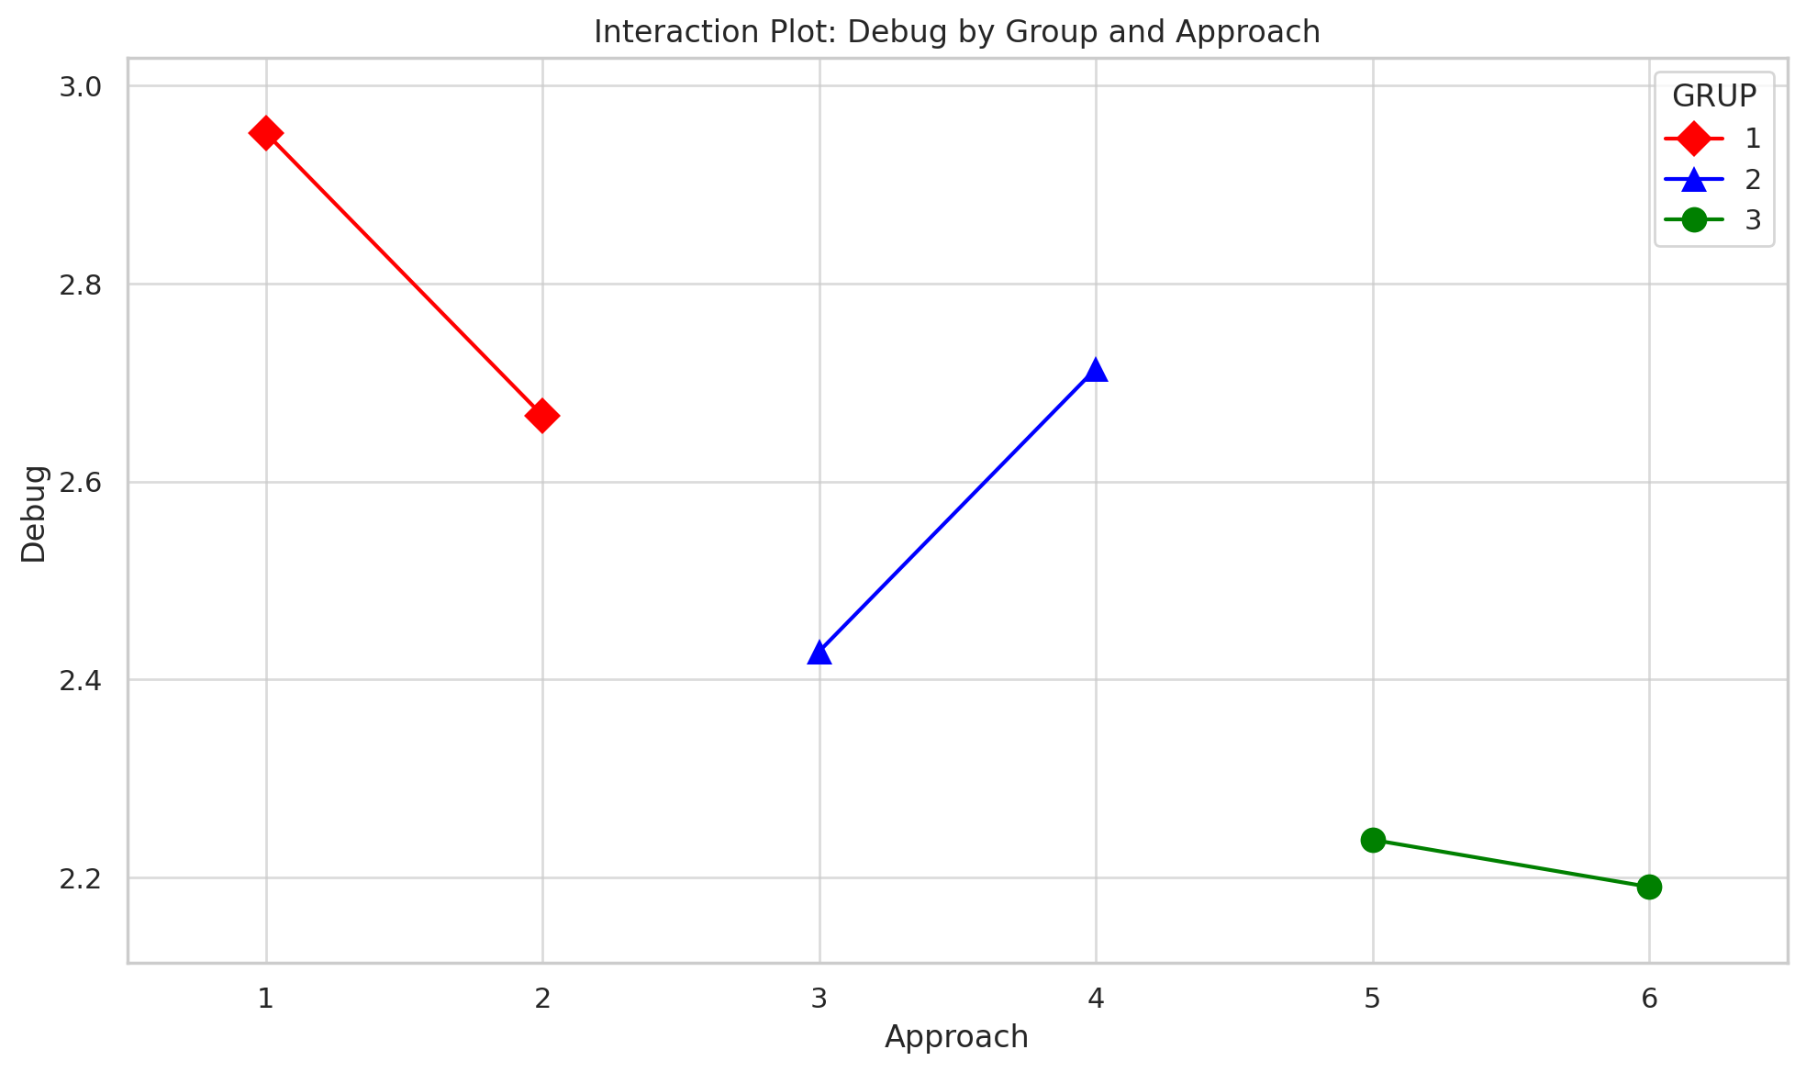
1 2 5.0952 0.0158 0.6218 9.5687 True
1 3 -0.5714 0.9991 -5.0448 3.902 False
1 4 3.7619 0.1525 -0.7115 8.2353 False
1 5 2.5714 0.5576 -1.902 7.0448 False
1 6 2.3333 0.6581 -2.1401 6.8067 False
2 3 -5.6667 0.0048 -10.1401 -1.1933 True
2 4 -1.3333 0.9544 -5.8067 3.1401 False
2 5 -2.5238 0.5778 -6.9972 1.9496 False
2 6 -2.7619 0.4772 -7.2353 1.7115 False
3 4 4.3333 0.0634 -0.1401 8.8067 False
3 5 3.1429 0.3291 -1.3306 7.6163 False
3 6 2.9048 0.4191 -1.5687 7.3782 False
4 5 -1.1905 0.9719 -5.6639 3.2829 False
4 6 -1.4286 0.9394 -5.902 3.0448 False
5 6 -0.2381 1.0 -4.7115 4.2353 False
-----------------------------------------------------

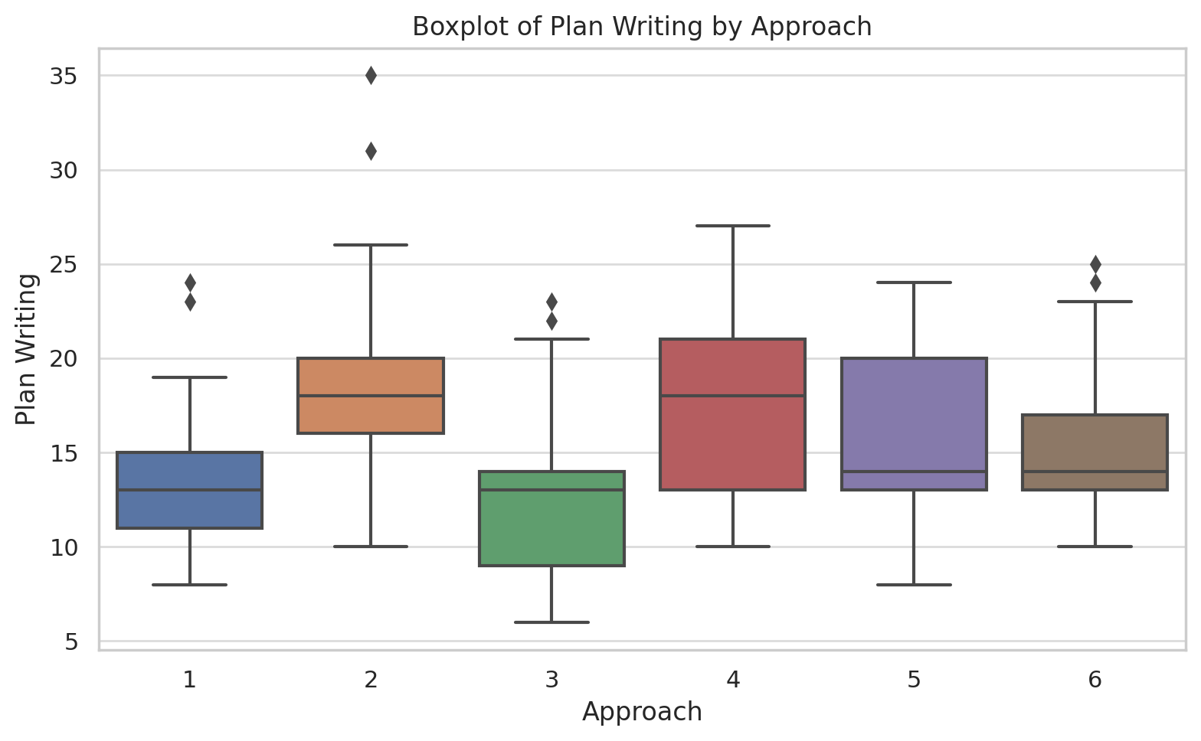
### Approach - Deliberation ###
Multiple Comparison of Means - Tukey HSD, FWER=0.05
===================================================
group1 group2 meandiff p-adj lower upper reject
---------------------------------------------------
1 2 0.5714 0.791 -0.7135 1.8564 False
1 3 0.2857 0.9874 -0.9992 1.5707 False
1 4 1.381 0.0274 0.096 2.6659 True
1 5 0.9524 0.2709 -0.3326 2.2373 False
1 6 0.4762 0.891 -0.8088 1.7611 False
2 3 -0.2857 0.9874 -1.5707 0.9992 False
2 4 0.8095 0.454 -0.4754 2.0945 False
2 5 0.381 0.9554 -0.904 1.6659 False
2 6 -0.0952 0.9999 -1.3802 1.1897 False
3 4 1.0952 0.1419 -0.1897 2.3802 False
3 5 0.6667 0.6632 -0.6183 1.9516 False
3 6 0.1905 0.9981 -1.0945 1.4754 False
4 5 -0.4286 0.9277 -1.7135 0.8564 False
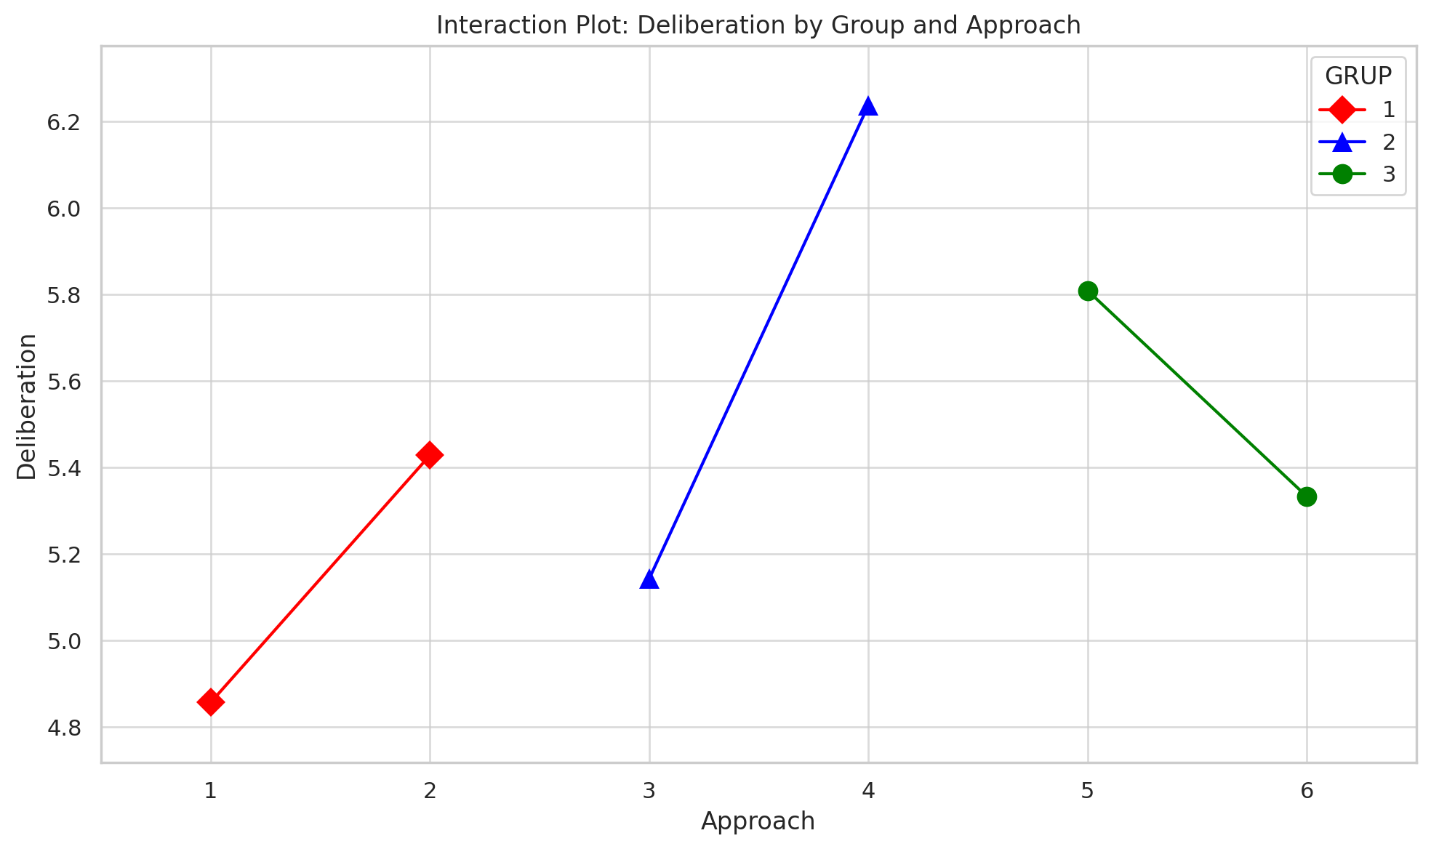
4 6 -0.9048 0.3266 -2.1897 0.3802 False
5 6 -0.4762 0.891 -1.7611 0.8088 False
---------------------------------------------------

